Info
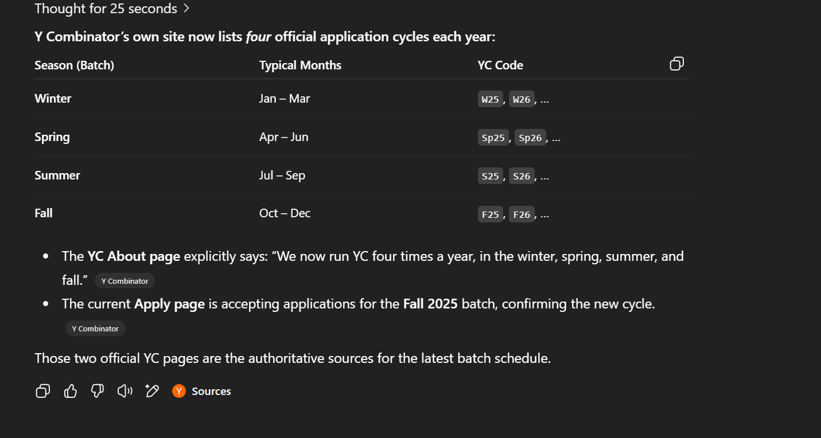

Summer 2025 Keeps updating
Fall 2025 Applications will open

